Category Page
USA [USD)
UK [GBP]
Europe [EUR]
Canada [CAD]
Worldwide [USD]
Mozzbi
Minal Marks
iSmart
Baxter
Android
Apple
 |  |  | 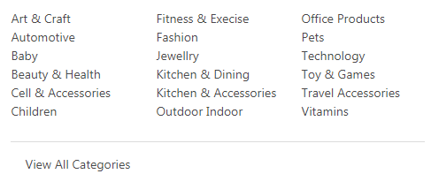
Choose Platform

Brand Deal

Download App
Categories
Search Deal

Login
Join as Seller

 |  |  |  | Featured

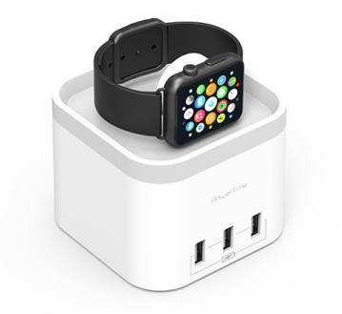
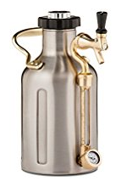
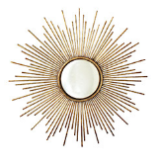




Amazon Fulfilment
Amazon Fulfilment
Amazon Fulfilment
Amazon Fulfilment
Amazon Fulfilment
$21.95 $9.95
$21.95 $9.95
$21.95 $9.95
$21.95 $9.95
$21.95 $9.95
You Save 39%
You Save 39%
You Save 39%
You Save 39%
You Save 39%
View deal
View deal
View deal
View deal
View deal

 | Home and Kitchen |  |  |  | Editors Choice

Ad
Product image
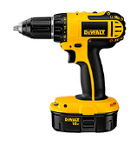
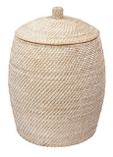
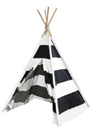

Mozzbi Pizza cutter Wheel
Available in 3 colors
Mozzbi Pizza cutter Wheel
Available in 3 colors
Mozzbi Pizza cutter Wheel
Available in 3 colors
Mozzbi Pizza cutter Wheel
Available in 3 colors

Amazon Fulfilment
Amazon Fulfilment
Amazon Fulfilment
Amazon Fulfilment
$21.95 $9.95
You Save 39%
$21.95 $9.95
You Save 39%
$21.95 $9.95
You Save 39%
$21.95 $9.95
You Save 39%

View deal
View deal
View deal
View deal
View deal

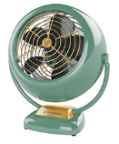
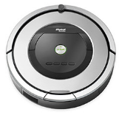

Mozzbi Pizza cutter Wheel
Available in 3 colors
Mozzbi Pizza cutter Wheel
Available in 3 colors
Mozzbi Pizza cutter Wheel
Available in 3 colors
Mozzbi Pizza cutter Wheel
Available in 3 colors

Amazon Fulfilment
Amazon Fulfilment
Amazon Fulfilment
Amazon Fulfilment
$21.95 $9.95
You Save 39%
$21.95 $9.95
You Save 39%
$21.95 $9.95
You Save 39%
$21.95 $9.95
You Save 39%
Ad
Product image
View deal
View deal
View deal
View deal
View deal

Mozzbi Pizza cutter Wheel
Available in 3 colors
Mozzbi Pizza cutter Wheel
Available in 3 colors
Mozzbi Pizza cutter Wheel
Available in 3 colors
Mozzbi Pizza cutter Wheel
Available in 3 colors

Amazon Fulfilment
Amazon Fulfilment
Amazon Fulfilment
Amazon Fulfilment
$21.95 $9.95
You Save 39%
$21.95 $9.95
You Save 39%
$21.95 $9.95
You Save 39%
$21.95 $9.95
You Save 39%
View deal
View deal
View deal
View deal
View deal

[AD STRIP] 30 DAY FREE TRIAL TO JOIN AS SELLER
Ad
Product image

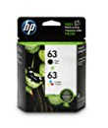
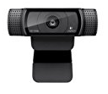
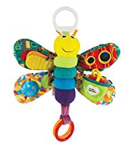

Mozzbi Pizza cutter Wheel
Available in 3 colors
Mozzbi Pizza cutter Wheel
Available in 3 colors
Mozzbi Pizza cutter Wheel
Available in 3 colors
Mozzbi Pizza cutter Wheel
Available in 3 colors

Amazon Fulfilment
Amazon Fulfilment
Amazon Fulfilment
Amazon Fulfilment
$21.95 $9.95
You Save 39%
$21.95 $9.95
You Save 39%
$21.95 $9.95
You Save 39%
$21.95 $9.95
You Save 39%
Ad
Product image

View deal
View deal
View deal
View deal
View deal

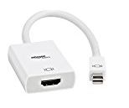
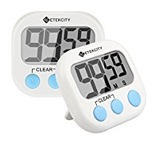
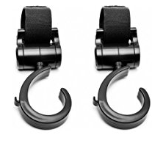
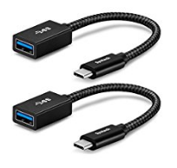

Ad
Product image

Mozzbi Pizza cutter Wheel
Available in 3 colors
Mozzbi Pizza cutter Wheel
Available in 3 colors
Mozzbi Pizza cutter Wheel
Available in 3 colors
Mozzbi Pizza cutter Wheel
Available in 3 colors

Amazon Fulfilment
Amazon Fulfilment
Amazon Fulfilment
Amazon Fulfilment
$21.95 $9.95
You Save 39%
$21.95 $9.95
You Save 39%
$21.95 $9.95
You Save 39%
$21.95 $9.95
You Save 39%
View deal
View deal
View deal
View deal
View deal

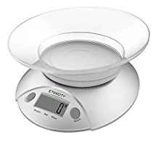

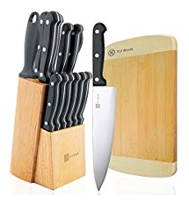
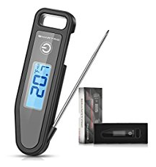

Mozzbi Pizza cutter Wheel
Available in 3 colors
Mozzbi Pizza cutter Wheel
Available in 3 colors
Mozzbi Pizza cutter Wheel
Available in 3 colors
Mozzbi Pizza cutter Wheel
Available in 3 colors

Amazon Fulfilment
Amazon Fulfilment
Amazon Fulfilment
Amazon Fulfilment
$21.95 $9.95
You Save 39%
$21.95 $9.95
You Save 39%
$21.95 $9.95
You Save 39%
$21.95 $9.95
You Save 39%
View deal
View deal
View deal
View deal
View deal

View all

[AD STRIP] - 30 DAY FREE TRIAL TO JOIN AS SELLER

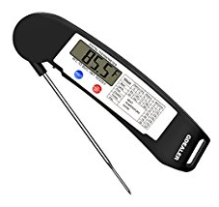
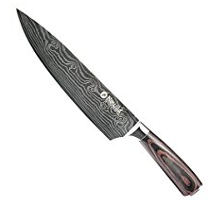
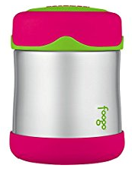
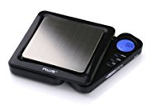

Mozzbi Pizza cutter Wheel
Available in 3 colors
Mozzbi Pizza cutter Wheel
Available in 3 colors
Mozzbi Pizza cutter Wheel
Available in 3 colors
Mozzbi Pizza cutter Wheel
Available in 3 colors

Amazon Fulfilment
Amazon Fulfilment
Amazon Fulfilment
Amazon Fulfilment
$21.95 $9.95
You Save 39%
$21.95 $9.95
You Save 39%
$21.95 $9.95
You Save 39%
$21.95 $9.95
You Save 39%
View deal
View deal
View deal
View deal
View deal

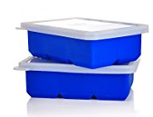
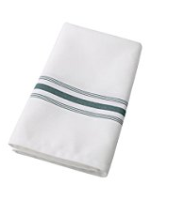
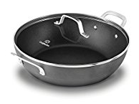
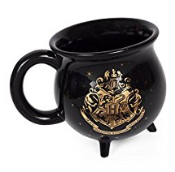

Mozzbi Pizza cutter Wheel
Available in 3 colors

Amazon Fulfilment
$21.95 $9.95
You Save 39%

About us
Contact Us
FAQ
Need Help?
JOIN OUR MAILING LIST & NEVER MISS AN OFFER AGAIN!

Name
Email Address
Region
SUBMIT
Join As Seller

Terms and Conditions | Private Policies | Cookies
© 2018 Couponndiscount | All rights reserved

 | Attribute | Action
 | Brand Ad | Slider or single image
 | View all Brand Deals | Page to show list of all Brands
 | Other selling Platforms | Pages for all other currencies
 | Download app/icon | Option for future
 | Social Media icons | To send website link
 | Search Category Dropdown | Like amazon (Default is ALL)
 | Search Box
 | Search Command
 | Join as seller
 | Sign up
 | Login
 | CND Logo

 | List of Top Categories (4/6 images)
 | Kitchen | Just images/icon for best categories
 | Childrens | Just images/icon for best categories
 | Technologies | Just images/icon for best categories
 | Automotives | Just images/icon for best categories
 | Home | Just images/icon for best categories
 | Sports | Just images/icon for best categories

 | Category icon | Drop down to show full list or New page showing full list

 | Categort Text | Just Dummy text

 | USA Flag (Default) | This may be good idea!
 | Search Category Dropdown | Like amazon (Defaul is ALL)

 | Slider (4/6 images)

 | Deal of the Day (3/4 x 12)
 | View More

 | New Arrival (3/4 x 12)
 | View More

 | Deal Ending Today [Slider] 4/6 images

 | Footer (in 3 Section) | *Only to show in home page
 | About us
 | Help

 | Contact Us
 | FAQ

 | Text (above Subscription)
 | Subscription Form
 | Text Line 1 (under Form)
 | Text Line 2 (under Form)

 | Join As Seller Button

 | RIGHT SLIDER
 | Single ad Slider
 | Multiple Ad images (5/12)

Sheet2



USA |  | Download App | Brand Deal


Sign up
Login
Join as Seller
 |  | Catigories |  | Search Deal

Flag + Country |  | Android | Mozzbi |  | iSmart
Flag + Country |  | iOS | Royal |  | KitchenAid
Flag + Country |  |  | Bates |  | J&J
Flag + Country |  |  | HP |  | Dell
Flag + Country |  |  | Hitachi |  | Samsung
Flag + Country |  |  | View Wll
Flag + Country
Flag + Country
Flag + Country
Flag + Country
Flag + Country
Flag + Country
Flag + Country

 |  |  | Categories
 | Platform |  |  |  |  | Seach deal

